ART
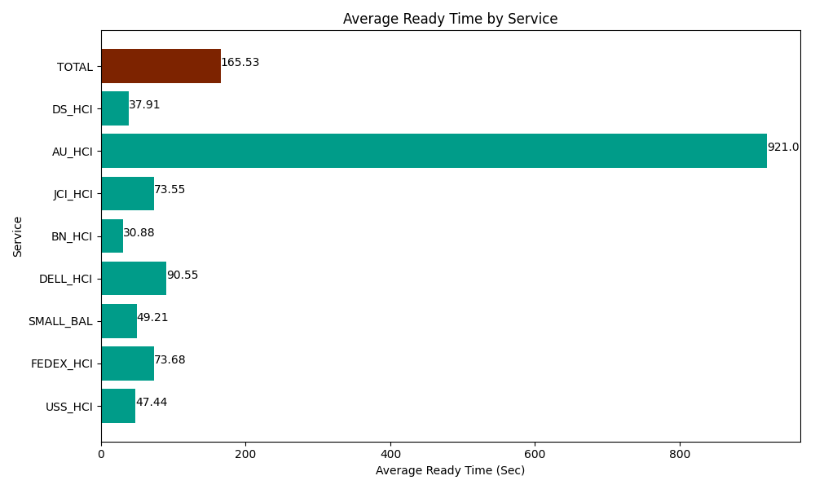
Date | Service | Successful Op Transfer | In Call (Sec) | Ready (Sec) | Wrapup (Sec) | Not Ready (Sec) | Average Ready Time (Sec)
03-13-2024 | USS_HCI | 195 | 26782.800293 | 9250.1998901 | 31195.198975 | 10495.799561 | 47.44
03-13-2024 | FEDEX_HCI | 67 | 6603.0001831 | 4936.7999268 | 4434.0000916 | 6041.9998169 | 73.68
03-13-2024 | SMALL_BAL | 117 | 8596.2002563 | 5756.9998169 | 13320 | 13150.799561 | 49.21
03-13-2024 | DELL_HCI | 128 | 11500.799561 | 11590.19989 | 29722.199707 | 11938.200073 | 90.55
03-13-2024 | BN_HCI | 420 | 24193.200073 | 12968.999634 | 61294.801025 | 26622.000732 | 30.88
03-13-2024 | JCI_HCI | 418 | 41622.000732 | 30742.199707 | 51805.799561 | 11658.000183 | 73.55
03-13-2024 | AU_HCI | 1 | 81.000001431 | 921.00002289 | 62.999997139 | 7.1999998391 | 921
03-13-2024 | DS_HCI | 619 | 46374.001465 | 23464.200439 | 67855.803223 | 79621.201172 | 37.91
 | TOTAL | 1965 | 165753.00256 | 99630.599327 | 259690.80258 | 159535.2011 | 165.53

